BCIS
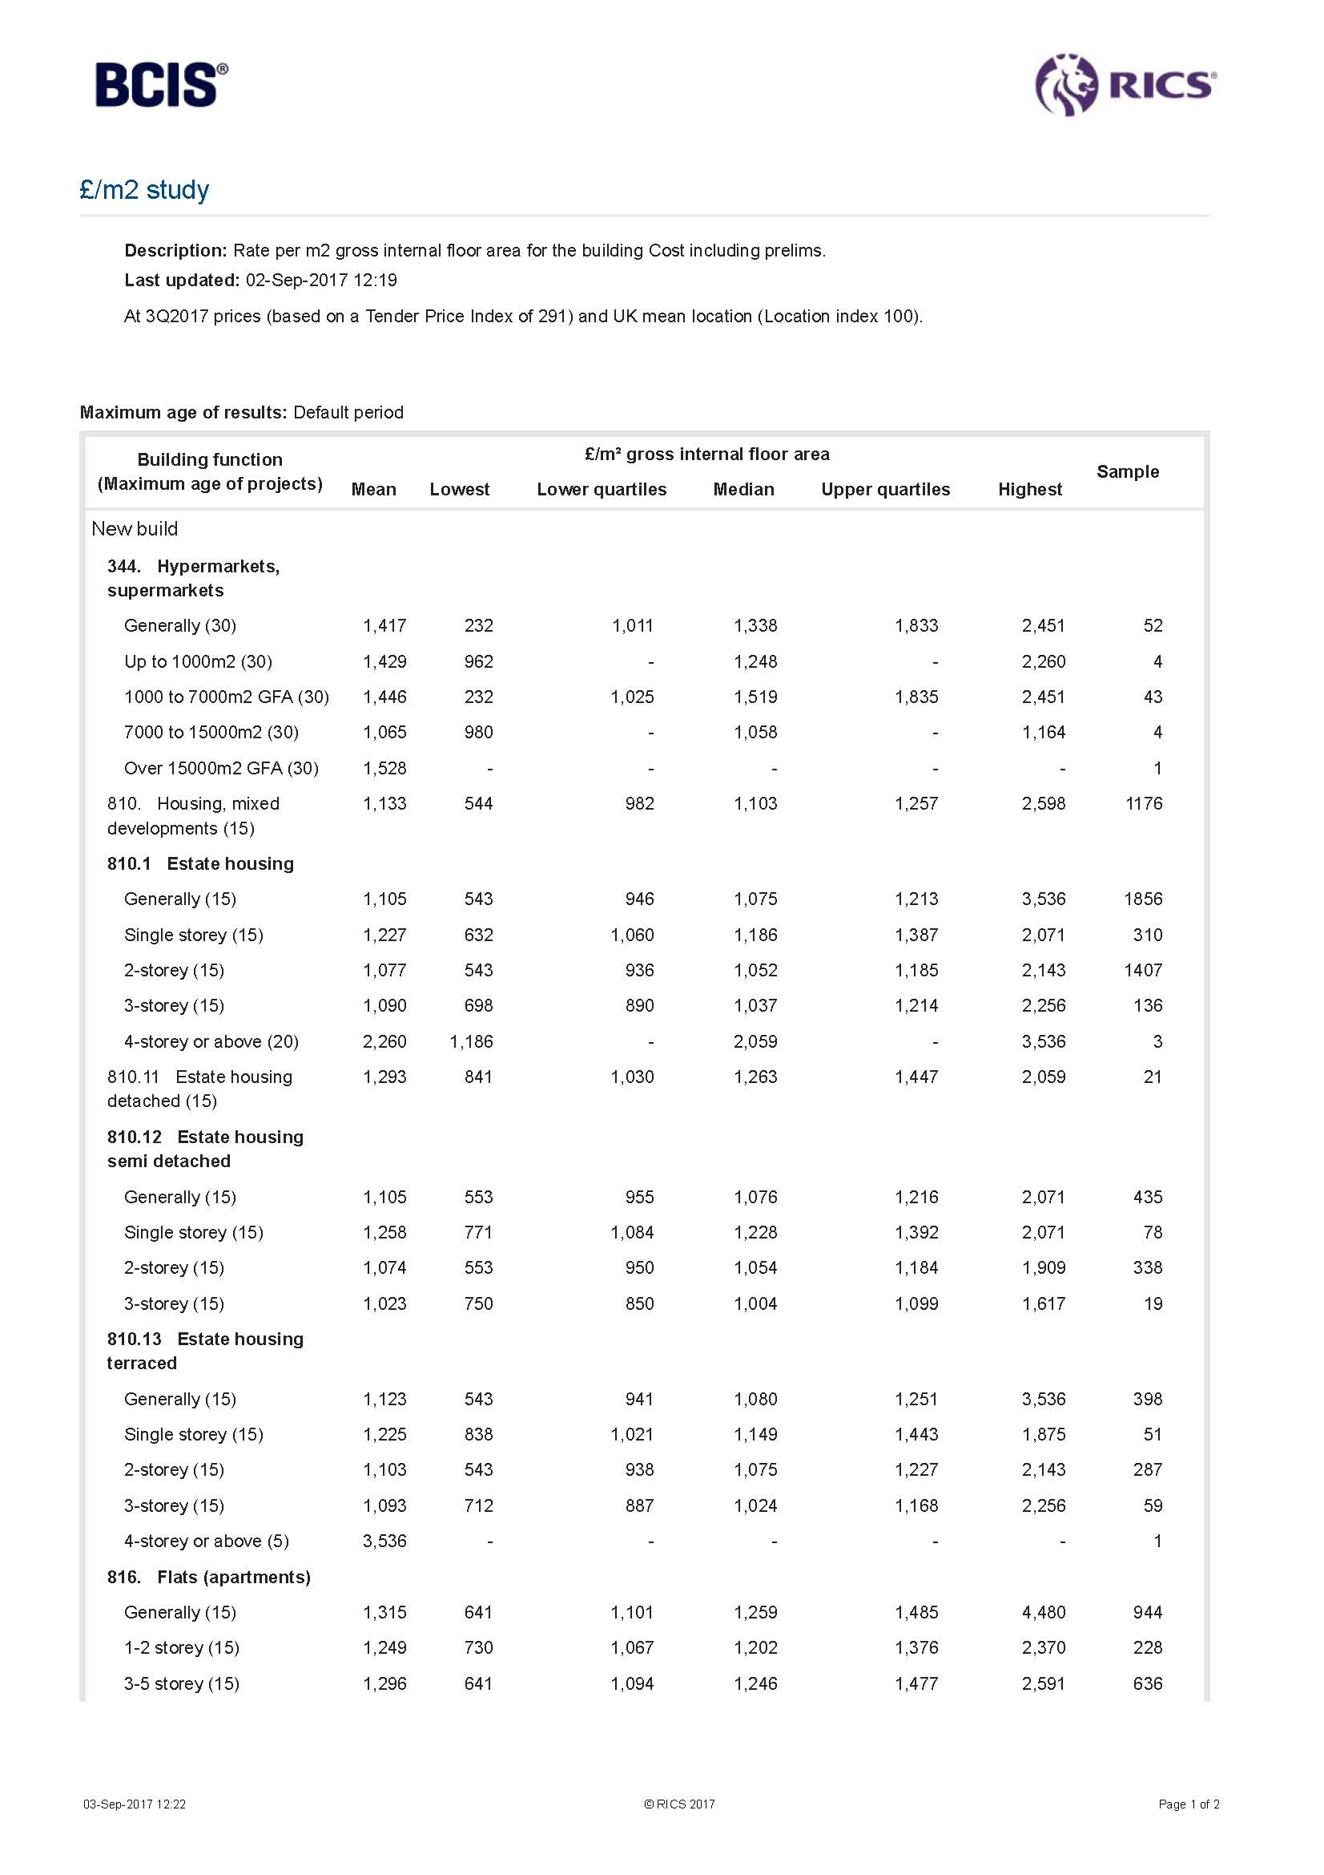
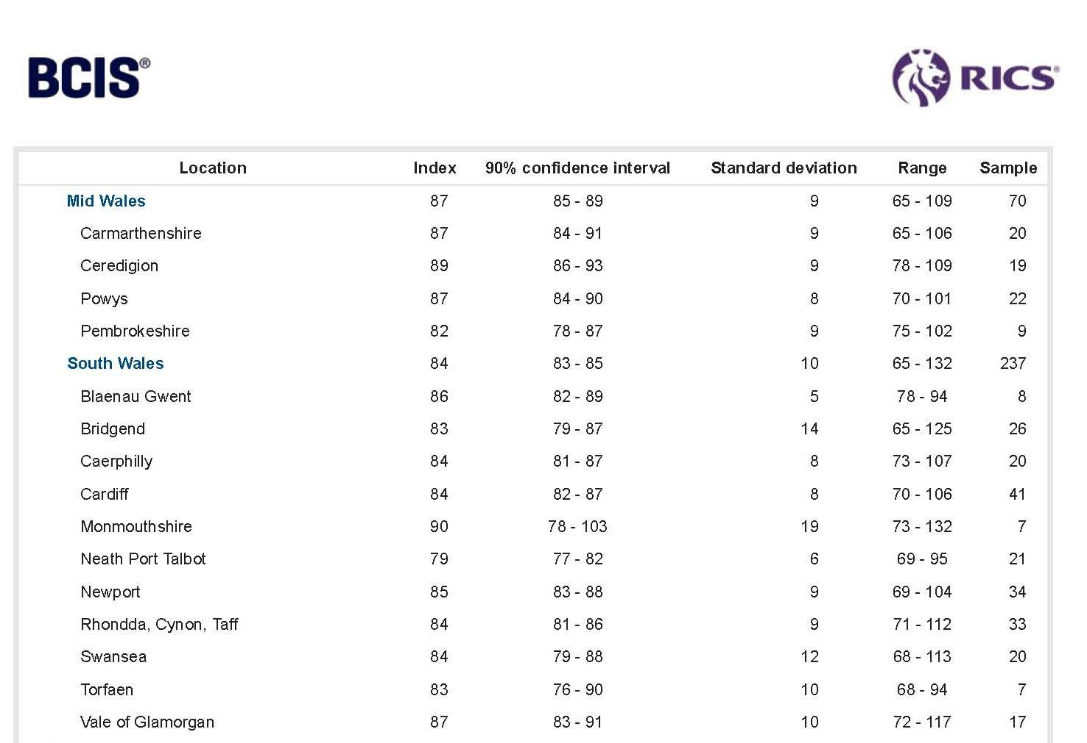
Torfaen BCIS Q3 2017
 | Houses | Flats | Bungalows
Base Build | £1,077 | £1,249 | £1,227
Externals at 15% | £162 | £187 | £184

Sub Total | £1,239 | £1,436 | £1,411

Location Factor | 0.83 | 0.83 | 0.83

Costs | £1,028 | £1,192 | £1,171

